Bags
Attention, may not match product's color |  |  |  | 1464
IMAGES | SKU | COLOR | Description | QTY | RRP | TOT. RRP
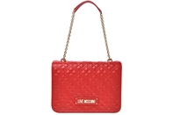

 | JC4001PP0ELA0500 | RED | BORSA QUILTED PU ROSSO | 6 | € 215.00 | € 1,290.00

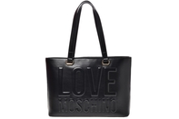

 | JC4056PP1ELL0000 | BLACK | BORSA PU EMBOSSED NERO | 30 | € 185.00 | € 5,550.00

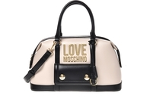

 | JC4064PP1ELN120A | LEATHER+BLACK | BORSA PU COL.CUOIO+PU NERO | 30 | € 198.00 | € 5,940.00
 | JC4064PP1ELN150A | RED+NUDE | BORSA PU ROSSO+PU NUDE | 30 | € 198.00 | € 5,940.00

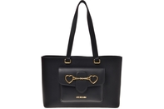

 | JC4074PP1ELC0000 | BLACK | BORSA PU NERO | 20 | € 190.00 | € 3,800.00

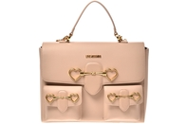

 | JC4076PP1ELC0500 | RED | BORSA PU ROSSO | 1 | € 215.00 | € 215.00
 | JC4076PP1ELC0600 | PINK | BORSA PU ROSA | 2 | € 215.00 | € 430.00

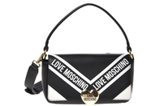

 | JC4125PP1ELW100A | BLACK | BORSA VIT.PEBBLE NERO+VIT.PEBBLE BI | 7 | € 230.00 | € 1,610.00

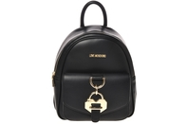

 | JC4265PP0EKK0105 | SAND | BORSA PU SABBIA | 15 | € 198.00 | € 2,970.00
 | JC4265PP0EKK0110 | IVORY | BORSA PU AVORIO | 10 | € 198.00 | € 1,980.00

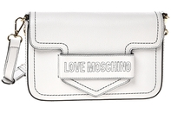

 | JC4271PP0EKP0000 | BLACK | BORSA VITELLO PEBBLE NERO | 14 | € 225.00 | € 3,150.00
 | JC4271PP0EKP0100 | WHITE | BORSA VITELLO PEBBLE BIANCO | 1 | € 225.00 | € 225.00
 | JC4271PP0EKP0500 | RED | BORSA VITELLO PEBBLE ROSSO | 7 | € 225.00 | € 1,575.00

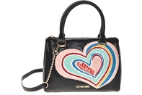

 | JC4274PP0EKO0000 | BLACK | BORSA VIT.SMOOTH NERO | 10 | € 275.00 | € 2,750.00

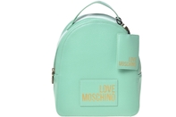

 | JC4329PP0EKC0600 | PINK | BORSA PU ROSA | 7 | € 190.00 | € 1,330.00

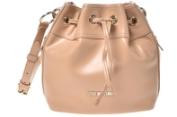

 | JC4347PP0EKF0000 | BLACK | BORSA PU NERO | 12 | € 190.00 | € 2,280.00

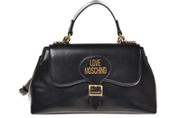

 | JC4358PP0EKH0500 | RED | BORSA PU ROSSO | 2 | € 198.00 | € 396.00

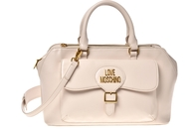

 | JC4359PP0EKH0500 | RED | BORSA PU ROSSO | 6 | € 215.00 | € 1,290.00

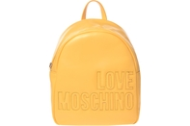

 | JC4360PP0EKH0100 | WHITE | BORSA PU BIANCO | 12 | € 198.00 | € 2,376.00

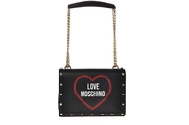

 | JC4366PP0EKG0753 | OCEAN | BORSA SAFFIANO PU OCEANO | 4 | € 190.00 | € 760.00

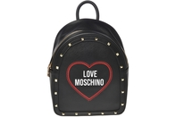

 | JC4369PP0EKG0753 | OCEAN | BORSA SAFFIANO PU OCEANO | 22 | € 198.00 | € 4,356.00

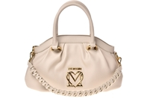

 | JC4376PP0EKL0000 | BLACK | BORSA PU NERO | 4 | € 190.00 | € 760.00
 | JC4376PP0EKL0500 | RED | BORSA PU ROSSO | 9 | € 190.00 | € 1,710.00

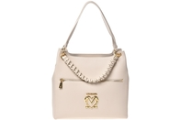

 | JC4378PP0EKL0500 | RED | BORSA PU ROSSO | 2 | € 198.00 | € 396.00

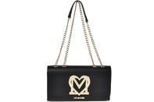

 | JC4379PP0EKM0000 | BLACK | BORSA PU NERO | 5 | € 190.00 | € 950.00

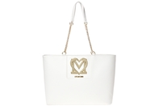

 | JC4382PP0EKM0100 | WHITE | BORSA PU BIANCO | 3 | € 198.00 | € 594.00

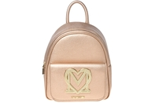

 | JC4384PP0EKM0901 | GOLD | BORSA PU ORO | 25 | € 198.00 | € 4,950.00

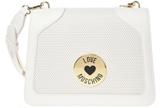

 | JC4393PP0EKL100A | BLACK | BORSA PU+PU PERF.NERO | 1 | € 190.00 | € 190.00
 | JC4393PP0EKL110A | BLACK | BORSA PU+PU PERF.NERO | 23 | € 190.00 | € 4,370.00

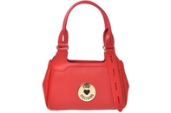

 | JC4394PP0EKL110B | SAND | BORSA PU+PU PERF.SABBIA | 6 | € 190.00 | € 1,140.00

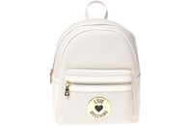

 | JC4395PP0EKL110A | IVORY | BORSA PU+PU PERF.AVORIO | 14 | € 198.00 | € 2,772.00
 | JC4395PP0EKL110B | SAND | BORSA PU+PU PERF.SABBIA | 10 | € 198.00 | € 1,980.00

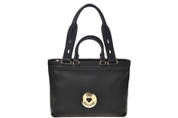

 | JC4396PP0EKL110B | SAND | BORSA PU+PU PERF.SABBIA | 2 | € 198.00 | € 396.00

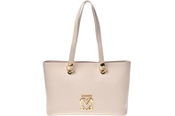

 | JC4085PP1ELZ0000 | BLACK | BORSA PU NERO | 31 | € 198.00 | € 6,138.00

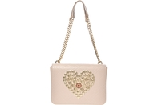

 | JC4070PP1ELP0000 | BLACK | BORSA PU NERO | 8 | € 198.00 | € 1,584.00
 | JC4070PP1ELP0110 | IVORY | BORSA PU AVORIO | 8 | € 198.00 | € 1,584.00

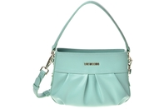

 | JC4345PP0EKF0000 | BLACK | BORSA PU NERO | 12 | € 190.00 | € 2,280.00
 | JC4345PP0EKF0100 | WHITE | BORSA PU BIANCO | 28 | € 190.00 | € 5,320.00

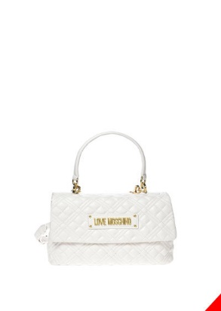 | JC4314PP0FLAO000 | BLACK | QUILTED PU NERO QUILTED PU NERO | 15 | € 198.00 | € 2,970.00
 | JC4314PP0FLAO120 | OFFWHITE | QUILTED PU OFFWHITE QUILTED PU OFFWHITE | 15 | € 198.00 | € 2,970.00
 | JC4314PP0FLAO500 | RED | QUILTED PU ROSSO QUILTED PU ROSSO | 15 | € 198.00 | € 2,970.00
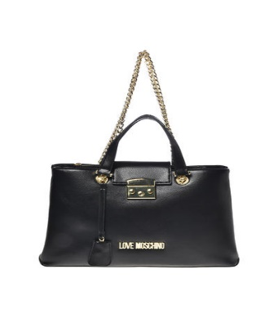 | JC4347PP0FKEO000 | BLACK | PU NERO PU NERO | 15 | € 225.00 | € 3,375.00
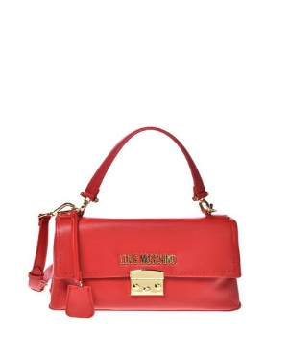 | JC4349PP0FKE0000 | BLACK | PU NERO PU NERO | 15 | € 200.00 | € 3,000.00
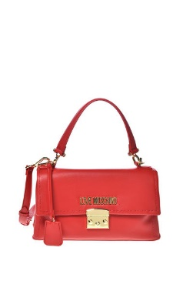 | JC4349PP0FKE0500 | RED | PU ROSSO PU ROSSO | 15 | € 200.00 | € 3,000.00
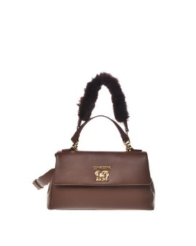 | JC4391PP0FKO0000 | BLACK | PU NERO PU NERO | 15 | € 210.00 | € 3,150.00
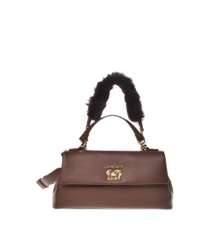 | JC4391PP0FKO0120 | OFFWHITE | PU OFFWHITE PU OFFWHITE | 15 | € 210.00 | € 3,150.00
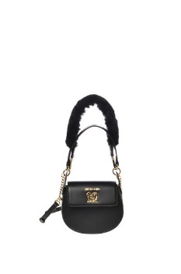 | JC4396PP0FKO0000 | BLACK | PU NERO PU NERO | 15 | € 185.00 | € 2,775.00
 | JC4396PP0FKO0602 | WISTERIA | PU GLICINE PU GLICINE | 15 | € 185.00 | € 2,775.00
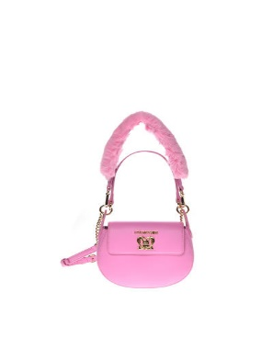 | JC4396PP0FKO0651 | LILAC | PU LILLA PU LILLA | 15 | € 185.00 | € 2,775.00
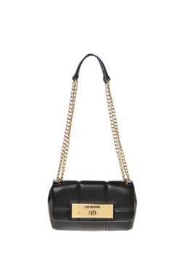 | JC4415PP0FKR0000 | BLACK | SOFT PU NERO SOFT PU NERO | 20 | € 195.00 | € 3,900.00
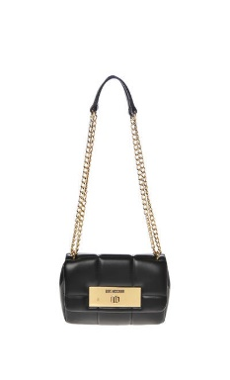 | JC4415PP0FKR0120 | OFFWHITE | SOFT PU OFFWHITE SOFT PU OFFWHITE | 15 | € 195.00 | € 2,925.00
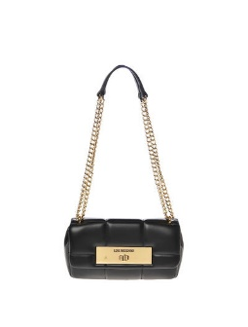 | JC4415PP0FKR0500 | RED | SOFT PU ROSSO SOFT PU ROSSO | 15 | € 195.00 | € 2,925.00
 | JC4415PP0FKR0602 | WISTERIA | SOFT PU GLICINE SOFT PU GLICINE | 15 | € 195.00 | € 2,925.00
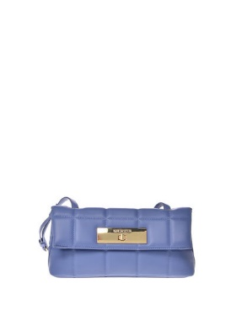 | JC4417PP0FKR0000 | BLACK | SOFT PU NERO SOFT PU NERO | 20 | € 185.00 | € 3,700.00
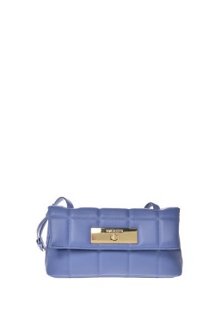 | JC4417PP0FKR0120 | OFFWHITE | SOFT PU OFFWHITE SOFT PU OFFWHITE | 15 | € 185.00 | € 2,775.00
 | JC4417PP0FKR0602 | WISTERIA | SOFT PU GLICINE SOFT PU GLICINE | 15 | € 185.00 | € 2,775.00
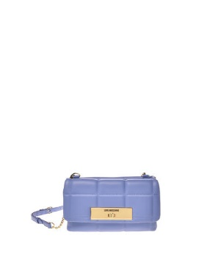 | JC4419PP0FKR0000 | BLACK | SOFT PU NERO SOFT PU NERO | 20 | € 185.00 | € 3,700.00
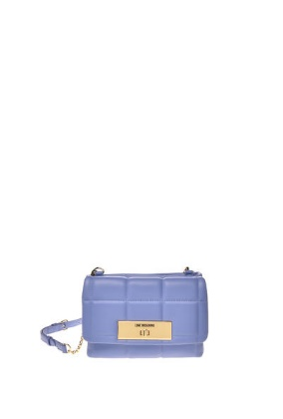 | JC4419PP0FKR0120 | OFFWHITE | SOFT PU OFFWHITE SOFT PU OFFWHITE | 15 | € 185.00 | € 2,775.00
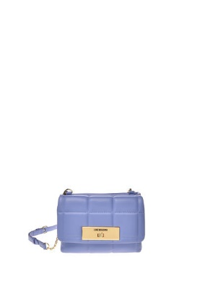 | JC4419PP0FKR0500 | RED | SOFT PU ROSSO SOFT PU ROSSO | 15 | € 185.00 | € 2,775.00
 | JC4419PP0FKR0602 | WISTERIA | SOFT PU GLICINE SOFT PU GLICINE | 15 | € 185.00 | € 2,775.00
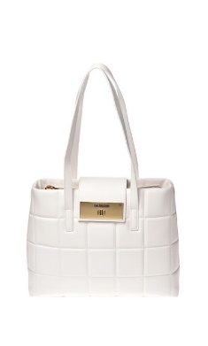 | JC4420PP0FKR0000 | BLACK | SOFT PU NERO SOFT PU NERO | 20 | € 210.00 | € 4,200.00
 | JC4420PP0FKR0120 | OFFWHITE | SOFT PU OFFWHITE SOFT PU OFFWHITE | 15 | € 210.00 | € 3,150.00
 | JC4420PP0FKR0500 | RED | SOFT PU ROSSO SOFT PU ROSSO | 15 | € 210.00 | € 3,150.00
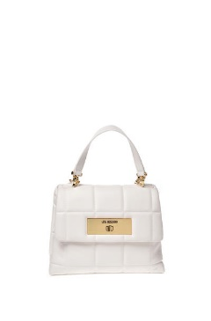 | JC4421PP0FKR0000 | BLACK | SOFT PU NERO SOFT PU NERO | 20 | € 200.00 | € 4,000.00
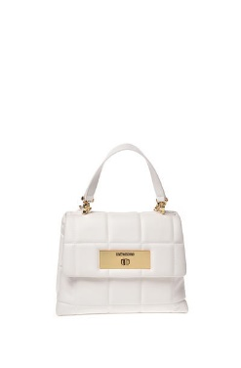 | JC4421PP0FKR0120 | OFFWHITE | SOFT PU OFFWHITE SOFT PU OFFWHITE | 15 | € 200.00 | € 3,000.00
 | JC4421PP0FKR0500 | RED | SOFT PU ROSSO SOFT PU ROSSO | 15 | € 200.00 | € 3,000.00
 | JC4421PP0FKR0602 | WISTERIA | SOFT PU GLICINE SOFT PU GLICINE | 15 | € 200.00 | € 3,000.00
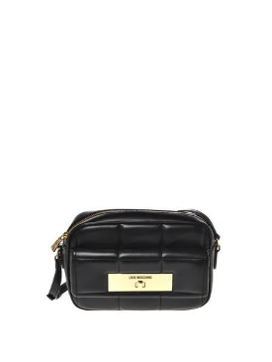 | JC4422PP0FKR0000 | BLACK | SOFT PU NERO SOFT PU NERO | 20 | € 190.00 | € 3,800.00
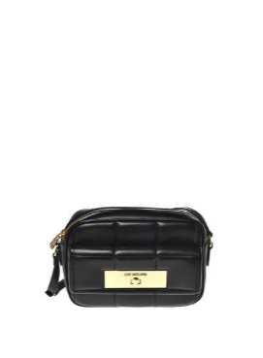 | JC4422PP0FKR0120 | OFFWHITE | SOFT PU OFFWHITE SOFT PU OFFWHITE | 15 | € 190.00 | € 2,850.00
 | JC4422PP0FKR0500 | RED | SOFT PU ROSSO SOFT PU ROSSO | 15 | € 190.00 | € 2,850.00
 | JC4422PP0FKR0602 | WISTERIA | SOFT PU GLICINE SOFT PU GLICINE | 15 | € 190.00 | € 2,850.00
 | JC4016PP1FLA0000 | BLACK | QUILTED PU NERO QUILTED PU NERO | 10 | € 160.00 | € 1,600.00
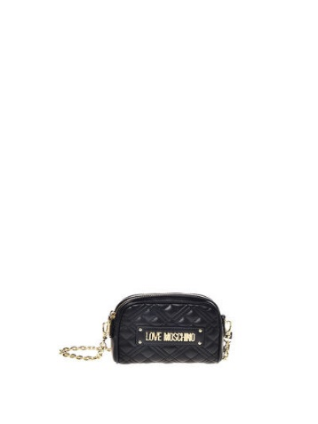 | JC4016PP1FLA0707 | BLUE | QUILTED PU QUILTED PU | 10 | € 160.00 | € 1,600.00
 | JC4024PP1FLA0000 | BLACK | QUILTED PU NERO QUILTED PU NERO | 10 | € 200.00 | € 2,000.00
 | JC4024PP1FLA0707 | BLUE | QUILTED PU QUILTED PU | 10 | € 200.00 | € 2,000.00
 | JC4027PP1FLA0000 | BLACK | QUILTED PU NERO QUILTED PU NERO | 10 | € 185.00 | € 1,850.00
 | JC4027PP1FLA0707 | BLUE | QUILTED PU QUILTED PU | 10 | € 185.00 | € 1,850.00
 | JC4028PP1FLA0000 | BLACK | QUILTED PU NERO QUILTED PU NERO | 10 | € 210.00 | € 2,100.00
 | JC4028PP1FLA0707 | BLUE | QUILTED PU QUILTED PU | 10 | € 210.00 | € 2,100.00
 | JC4035PP1FLD0000 | BLACK |  | 10 | € 175.00 | € 1,750.00
 | JC4035PP1FLD0110 | IVORY |  | 10 | € 175.00 | € 1,750.00
 | JC4042PP1FLD0000 | BLACK |  | 10 | € 214.00 | € 2,140.00
 | JC4052PP1FLD100A | BLACK |  | 10 | € 175.00 | € 1,750.00
 | JC4052PP1FLD170A | BLUE |  | 10 | € 175.00 | € 1,750.00
 | JC4070PP1FLF0000 | BLACK | CROCO PU NERO CROCO PU NERO | 10 | € 185.00 | € 1,850.00
 | JC4070PP1FLF0500 | RED | CROCO PU ROSSO CROCO PU ROSSO | 10 | € 185.00 | € 1,850.00
 | JC4070PP1FLF0650 | VIOLET |  | 10 | € 185.00 | € 1,850.00
 | JC4070PP1FLF0858 | GREEN BOTTLE |  | 10 | € 185.00 | € 1,850.00
 | JC4072PP1FLF0000 | BLACK | CROCO PU NERO CROCO PU NERO | 10 | € 175.00 | € 1,750.00
 | JC4072PP1FLF0500 | RED | CROCO PU ROSSO CROCO PU ROSSO | 10 | € 175.00 | € 1,750.00
 | JC4072PP1FLF0650 | VIOLET |  | 10 | € 175.00 | € 1,750.00
 | JC4072PP1FLF0858 | GREEN BOTTLE |  | 10 | € 175.00 | € 1,750.00
 | JC4074PP1FLC0000 | BLACK |  | 10 | € 195.00 | € 1,950.00
 | JC4074PP1FLC0201 | CAMEL |  | 10 | € 195.00 | € 1,950.00
 | JC4074PP1FLC0604 | FUXIA |  | 10 | € 195.00 | € 1,950.00
 | JC4084PP1FLZ0000 | BLACK |  | 10 | € 210.00 | € 2,100.00
 | JC4084PP1FLZ0110 | IVORY |  | 10 | € 210.00 | € 2,100.00
 | JC4095PP1FLL0000 | BLACK | PU NERO PU NERO | 10 | € 135.00 | € 1,350.00
 | JC4095PP1FLL0110 | IVORY |  | 10 | € 135.00 | € 1,350.00
 | JC4096PP1FLM0000 | BLACK | PU NERO PU NERO | 10 | € 135.00 | € 1,350.00
 | JC4097PP1FLT0000 | BLACK | SOFT PU NERO SOFT PU NERO | 10 | € 140.00 | € 1,400.00
 | JC4097PP1FLT0707 | BLUE |  | 10 | € 140.00 | € 1,400.00
 | JC4099PP1FLJ000A | BLACK | BONDED PU NERO BONDED PU NERO | 10 | € 180.00 | € 1,800.00
 | JC4099PP1FLJ010A | IVORY | BONDED PU AVORIO BONDED PU AVORIO | 10 | € 180.00 | € 1,800.00
 | JC4099PP1FLJ020A | CAMEL | BONDED PU CAMMELLO BONDED PU CAMMELLO | 10 | € 180.00 | € 1,800.00
 | JC4108PP1FLJ000A | BLACK | BONDED PU NERO BONDED PU NERO | 10 | € 160.00 | € 1,600.00
 | JC4108PP1FLJ020A | CAMEL | BONDED PU CAMMELLO BONDED PU CAMMELLO | 10 | € 160.00 | € 1,600.00
 | JC4108PP1FLJ050A | RED | BONDED PU ROSSO BONDED PU ROSSO | 10 | € 160.00 | € 1,600.00
 | JC4135PP1FLA0000 | BLACK | QUILTED PU NERO QUILTED PU NERO | 10 | € 175.00 | € 1,750.00
 | JC4135PP1FLA0707 | BLUE | QUILTED PU QUILTED PU | 10 | € 175.00 | € 1,750.00
 | JC4135PP1FLA0858 | GREEN BOTTLE | QUILTED PU QUILTED PU | 10 | € 175.00 | € 1,750.00
 | JC4141PP1FLR0000 | BLACK |  | 10 | € 200.00 | € 2,000.00
 | JC4141PP1FLR0707 | BLUE |  | 10 | € 200.00 | € 2,000.00
 | JC4145PP1FLR0000 | BLACK |  | 10 | € 170.00 | € 1,700.00
 | JC4145PP1FLR0707 | BLUE |  | 10 | € 170.00 | € 1,700.00
 | JC4170PP1F | ? |  | 10 | € 150.00 | € 1,500.00
 | JC4170PP1FLC0201 | CAMEL |  | 10 | € 150.00 | € 1,500.00
 | JC4170PP1FLC0604 | FUXIA |  | 10 | € 150.00 | € 1,500.00
 | JC4198PP1FLK0000 | BLACK | PU NERO PU NERO | 10 | € 165.00 | € 1,650.00
 | JC4198PP1FLK0500 | RED | PU ROSSO PU ROSSO | 10 | € 165.00 | € 1,650.00
 | JC4198PP1FLK0707 | BLUE |  | 10 | € 165.00 | € 1,650.00

